1. Introduction
Par # | Section Title | Comments
 | 1 Introduction
 | 1.1 Definition of Industrial Minerals
1 | Industrial minerals are generally considered to include a number of non-metallic minerals or materials that provide raw material inputs for the construction, chemical, and manufacturing industries. They are often relatively low-value and bulky materials that generally are used close to where they are produced; however, some raw materials may be transported hundreds of kilometres to manufacturers (ENDM, 2021). They do not include the metallic minerals, mineral fuels, or gemstones, and are used in industries based on their physical and/or chemical properties (Wikipedia, 2021).
2 | In contrast to most metallic minerals, a general distinguishing characteristic of the industrial minerals group is their low degree of market elasticity in relation to the market prices and product specifications. The estimation of either a Mineral Resource or a Mineral Reserve for an industrial minerals deposit is affected to a significant degree by a number of factors that are not typically applicable to metallic mineral deposits. These can include such considerations as the particular physical and chemical characteristics of the final product, mineral quality issues, market size and market access.
3 | One of the key challenges of the sector is to derive a common definition of which types of minerals, materials, or mineral deposits can be considered as industrial minerals (Mining Standards Task Force, 1999). Although definitions for what constitutes an industrial mineral can vary in detail, general descriptions can be found in American Geosciences Institute (2021), Fastmarkets IM (2021), Snowden (2019), SME (2021) and Wikipedia (2021). A brief listing of some of the materials and minerals that are generally considered to be industrial minerals is shown in Table 1.
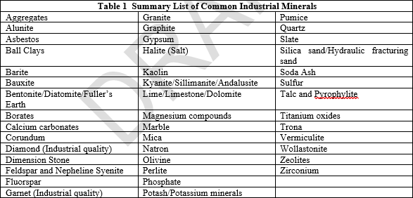
4

5 | Note: This summary is not intended to provide an exhaustive and comprehensive list of all industrial mineral deposit types.

 | 1.2. Review of Best Practice Guidelines
6 | The Canadian Institute of Mining, Metallurgy and Petroleum’s (CIM) Best Practices Guidelines reflect current views of leading practices in exploration, mineral resource estimation and mineral reserve estimation. Experience has shown that over time leading practices become industry accepted practices. Current industry accepted practices are context specific and are expected to continually evolve as industry experience increases and as public expectations, market expectations, and government legal frameworks change. Guidelines are intended to be updated on a periodic basis; readers should consult the CIM website at www.cim.org to ensure that they are referring to the current version.
7 | The CIM Definition Standards for Mineral Resources and Mineral Reserves (2014) (the “CIM Definition Standards”) state that: “When reporting Mineral Resource and Mineral Reserve estimates relating to an industrial mineral site, the Qualified Person(s) should be guided by the Estimation of Mineral Resources and Mineral Reserves Best Practice Guidelines for Industrial Minerals”.
8 | The main principles relating to preparation of Mineral Resource and Mineral Reserve estimates in general are provided in the 2019 edition of the CIM Estimation of Mineral Resources and Mineral Reserves Best Practices Guidelines (CIM 2019) (“2019 MRMR BP Guidelines”). Although these 2019 MRMR BP Guidelines provide guidance in relation to metalliferous and other deposits, many sections and concepts are also applicable to the preparation of Mineral Resource and Mineral Reserve (MRMR) estimates for industrial minerals deposits. However, estimation of MRMR for industrial minerals can require additional considerations, because of unique properties that apply to an industrial mineral or industrial mineral product. Confidential proprietary knowledge of such properties may be involved in MRMR estimation for some deposits. This document adopts by reference the principles and guidelines presented in the 2019 MRMR BP Guidelines which are not henceforth repeated herein. These 2023 Industrial Minerals Best Practices Guidelines (“2023 IM BP Guidelines”) will focus on presenting additional guidance in relation to those aspects of MRMR estimation specifically for the industrial minerals.
9 | While these 2023 IM BP Guidelines apply to the list of individual materials and mineral deposits shown above, additional individual Best Practices Guidelines have been prepared for specific industrial minerals such as lithium brines (CIM, 2003a), diamonds (CIM, 2003b), and potash/potassium minerals (CIM, 2003c).

 | END OF SECTION | Additional Comments

3. General Considerations
Par # | Section Title | Comments
 | 3. General Considerations
1 | The key to estimation of MRMR for industrial mineral deposits is the recognition by the practitioner of the inter-relationship that can exist between (i) markets, (ii) product evaluation, and (iii) product development. As a minimum, the qualifications of the practitioners involved in the estimation of MRMR should include some background knowledge and experience regarding the industrial minerals sector. This experience can be achieved via participation in the design and/or production team at an industrial mineral deposit or can be achieved via mentoring and guidance from more experienced colleagues.
2 | Considerations of such factors as the potential product quality requirements and market acceptance should begin at the exploration stage and should continue to evolve through the study stages of the mining cycle. Typically, the size of the mineral deposit is a secondary consideration until a market opportunity is found that permits the declaration of a Mineral Reserve. Further, production rates are often determined by size of the product market rather than size of the Mineral Resource or Mineral Reserve.
3 | Best Practice in the estimation of MRMR of industrial minerals centres on determination of components of the markets, product specifications, and cost structure.

 | 3.1. Market Considerations
4 | Market considerations for Mineral Reserve estimation incorporate not only the requirement for detailed market analyses and/or sales contracts but also the recognition that markets for many industrial minerals are relatively small and may have a high degree of producer concentration and/or very high technical barriers to entry, thus imposing constraints on achievable market volumes. Market considerations for Mineral Resource estimation are generally less comprehensive and include consideration of those items required to meet the “Reasonable Prospects for Eventual Economic Extraction” requirement for a Mineral Resource as defined in the CIM Definition Standards (CIM, 2014).
5 | Identification of the market and the factors that influence market demand and potential for success in the market are critical to determining the “value” for an industrial mineral project. The suitability of an industrial mineral for use in specific applications can ultimately only be determined through detailed market investigations and discussion with potential end users. The practitioner should thoroughly consider the following when evaluating the market potential for an industrial mineral deposit when preparing a MRMR estimate:
6 | 1) Market segments: The market for an industrial mineral is not typically a single entity but multiple segments due to different uses. Table 2 presents a list of common industrial minerals together with various uses and grades and other specifications affecting those uses. Each of these uses has different specifications, prices, and markets. It is therefore important to recognize the differing requirements of each market segment. 2) Location and Transportation Factors, 3) Market Size, 4) Number of Producers, and 5) Availability of Substitute Minerals.
7 | 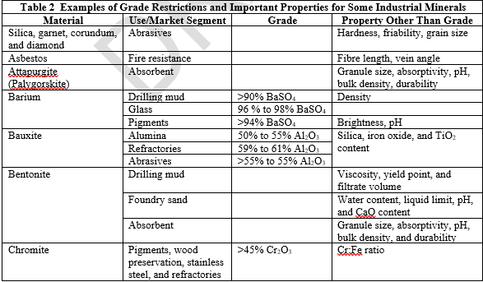 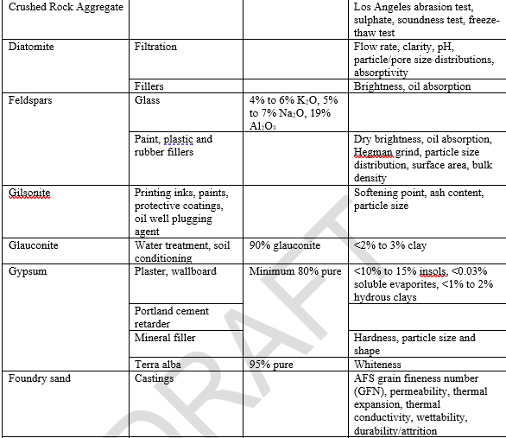

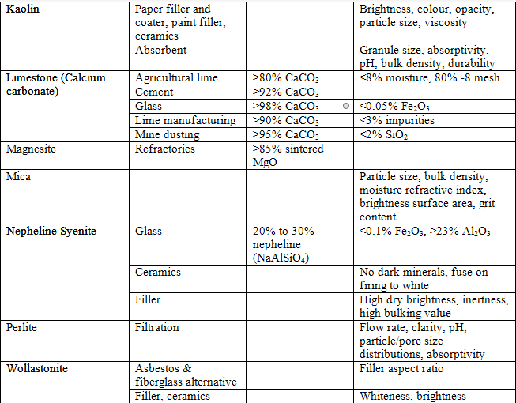

8 | Sources: Carr (1994), Lamar (1961) and Vanderbilt Minerals (2013)

 | 3.1.1. Market Segments
9 | The market for an industrial mineral deposit generally consists of a number of distinct segments or sub-sectors. It is important to recognize the differing requirements of each market segment and to relate these requirements to the physical and chemical properties of:
10 | (i) the physical and chemical properties of the specific deposit being assessed, (ii) the proposed production and processing technology for the mineral product, (iii) the applications knowledge of the mineral producer, (iv) the market size available in each segment, and (v) the price available for each market segment.

 | 3.1.2. Location and Transportation Factors
11 | Markets for industrial mineral resources are significantly affected by location and transportation factors. The practitioner should recognize that the existence of an industrial mineral deposit does not imply that it comprises a Mineral Resource as defined by the CIM Definition Standards. Under the CIM Definition Standards, a mineral deposit must have “reasonable prospects of eventual economic extraction” to be classified as a Mineral Resource; or it must be “demonstrate that, at the time of reporting, extraction could reasonably be justified“ to be classified as a Mineral Reserve (CIM, 2014). If the mineral deposit is in a remote location, distant from transportation infrastructure and customers, so that there may be no realistic market or development potential for the mineral that it cannot meet the requirements of the CIM Definition Standards, the mineral deposit cannot be classified as either a Mineral Resource or a Mineral Reserve.

 | 3.1.3. Market Size
12 | Some industrial minerals are produced in small quantity and/or have specialized, low volume applications. The practitioner should understand the limits to market size for an industrial mineral and develop estimates of a Mineral Reserve using parameters that are consistent with the appropriate market size for that particular mineral product.

 | 3.1.4. Number of Producers
13 | Many industrial mineral are produced by only a small number of companies. In these cases, there may be significant barriers to market entry by a new producer. These barriers can include proprietary processing knowledge and/or equipment, knowledge of mineral end use applications, long term contractual producer/customer relationships, or captive consumption. While preparing either a Mineral Resource or Mineral Reserve estimate in such circumstances, the practitioner should conduct sufficient investigations to ascertain that an identifiable market can be developed, that the intended product can be sold, and that there is a reasonable expectation that the mineral deposit could be placed into commercial production. The Project proponent should provide written “expressions of interest” to the practitioner as evidence that potential markets for the mineral product do exist.

 | 3.1.5. Availability of Substitute Materials
14 | Many applications for industrial minerals can be satisfied by several competing minerals offering similar functional or chemical properties, and often at similar costs. Some examples include pyrophyllite as an alternative for talc in tile manufacture, anorthosite (plagioclase feldspar) for kaolin in reinforcing glass fibre manufacture, and nepheline syenite for feldspar in manufacture of glass and ceramics. The practitioner should therefore be aware of the potential for product substitution when establishing the anticipated level of market demand and/or market price for the subject mineral.
15 | Many industrial minerals consumers are reluctant to change sources of supply over concerns of having a reliable long-term supplier of the required product quality and volumes. Even when consumers are willing to change sources of supply, the time frame in which this occurs may be quite lengthy. The practitioner, in developing estimates of Mineral Resources or Mineral Reserves, should therefore incorporate provision for an extended period of customer applications trials and/or the requirement for large-scale bulk sampling.

 | 3.2. Sales Value
16 | Sale value considerations not only include an assessment of the price at which the product can be sold but also recognises that markets for many industrial minerals are relatively small, may have a high degree of producer concentration, may be subject to substitution by competing minerals, or may have high technical barriers to entry due to either product specifications or applications knowledge. These factors both singly or in combination, can impose limits or constraints on achievable market volumes and thus may influence whether the declaration of either a Mineral Resource or Mineral Reserve can be justified.
17 | Sales value is a revenue-side function comprising: i. product quality in relation to consuming industry or customer specification, ii. product price, and iii. project robustness.
18 | Many industrial minerals can be used in multiple applications with very different prices. Value differentials can arise due to: • the critical importance of a particular physical or chemical property of a mineral; • the amenability of the mineral deposit to process and product differentiation; • the deposit size and favourable logistics; and • the technical knowledge of the mineral producer.
19 | Published prices for industrial minerals may be used as indicators of value in the estimation of Mineral Resources or Mineral Reserves, but should be supplemented by additional pricing research to determine the potential value of the subject commodity. Published prices and actual transaction prices for a particular grade of an industrial mineral may vary substantially. As far as possible, the practitioner should ensure that price estimates used in estimation of a Mineral Reserve can be confirmed by discussion with potential customers and/or commitments of sale.
20 | The practitioner should recognize that specifications for industrial minerals in many applications are flexible. Consumers may be able to incorporate minerals with a wide variety of physical and/or chemical properties into their product either by adjusting the mixture of ingredients used in the manufacturing process, or by making modifications to the process. In many cases, consistency or predictability of a range of characteristics of the industrial mineral may be more important than one specific quality characteristic.
21 | Prices and specifications for industrial minerals are usually established by negotiation between producer and consumer. Slight differences in specifications may result in very large differences in price and/or volume, and contracts are sometimes written for large tonnages of a product at a unique confidential price. The practitioner should recognize such considerations when developing the Mineral Reserve estimate.

 | 3.3. Cost Structure
22 | Costs are comprised of: i. mining costs, ii. processing costs, iii. transportation and special handling costs, and iv. general and administration costs.
23 | It is important to recognize that purchase decisions for most industrial minerals are based on delivered costs. Transportation and storage costs can be significant as many industrial minerals are produced in bulk. Mineral deposits necessitating high mining and/or processing costs or facing high transport and handling costs compared to competing deposits require careful consideration to determine if such deposits can meet the test of “reasonable prospects for eventual economic extraction” for the declaration of a Mineral Resource. Similarly, for those deposits that are either at the study stages of the mining cycle and requiring high mining and/or processing costs or those facing high transport and handling costs, or those for which the markets are relatively small in relation to the contemplated product output, the selection of the various input parameters should reflect the actual or anticipated conditions for that deposit to support the declaration of a Mineral Reserve.

 | END OF SECTION | Additional Comments

